
 |  |  |  | CODE: |  |  | pl1099 ab SN from 98J992
DESCRIPTION: |  | SQUEEGEE SUPPORT |  | SAUGFUßHALTERUNG | SUPPORT SUCEUR | SOPORTE ESCURRESUELOS | SUPPORTO SQUEEGEE
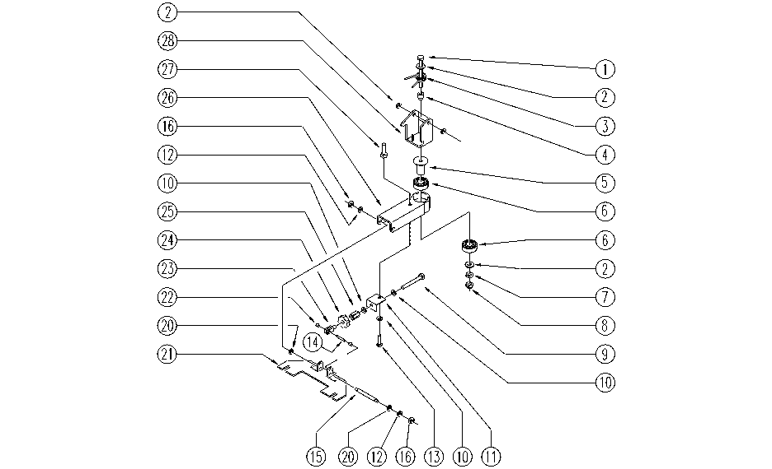

REF. | CODE | DESCRIPTION | QT
1 | SL04116 | SCREW | 3
2 | E89120 | Washer | 2
3 | E86731 | Return Spring | 1
4 | SL07361 | BUSHING / BUSH | 1
5 | SL07362 | PIN | 1
6 | E86409 | Bearing, 6005 2RS | 2
7 | SL05050 | NUT | 1
8 | E86462 | AS20 Nut | 1
9 | E86870 | Screw | 1
10 | E86879 | Washer | 3
11 | SL09797 | SUPPORT | 1
12 | E86427 | Washer for AS20 | 2
13 | E86486 | Screw TE M8-45 | 1
14 | E86861 | Pin | 1
15 | SL07400 | PIN | 1
16 | E86875 | Self-Locking Nut | 2
20 | E86881 | Washer | 2
21 | E86679 | AS24 Squeegee Mount | 1
22 | SL07472 | BEARING | 2
23 | E86672 | Fork for AS24/28 | 1
24 | SL06100 | KNOB (o HANDWHEEL) | 1
25 | SL05081 | NUT | 2
26 | SL09798 | ARM | 1
27 | SL07253 | BEARING | 1
28 | E86688 | AS28 Bracket | 1

